Sheet1

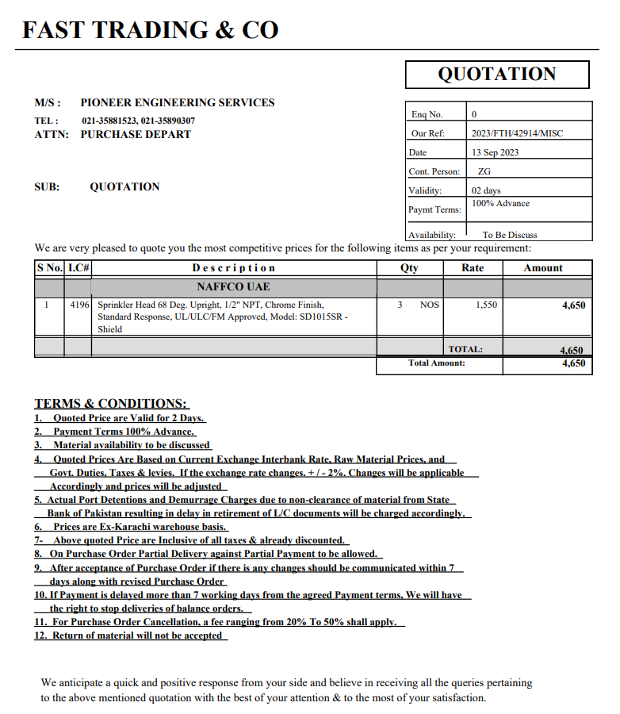

PES/AMR/004/09/23 |  |  |  |  |  |  |  |  |  | 2023-09-13

Attn: Mr. Taha Ghaznevi

Variation order for Fire Sprinkler Line - Amreli Office DMC Karachi

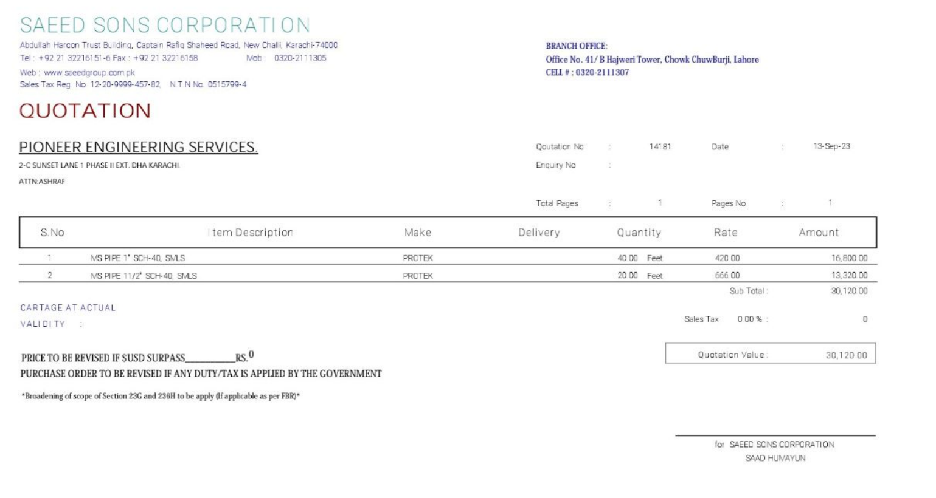
S. # | Description | Material Rate | Labour Rate | Fittings 25% | Wastage 10% | Over Head profit 20% | Tax 7.5% | Unit | Qty | Amount
1 | Supply and installation of upright sprinklers | 1,550 | 500 | - | - | 410 | 185 | Nos | 3 | 7,934
2 | Supply and installation of M.S Pipe |  |  |  | - | - | - |  |  | -
i | 25mm | 420 | 150 | 63 | 42 | 135 | 61 | Rft | 35 | 30,476
ii | 40mm | 666 | 150 | 100 | 67 | 197 | 88 | Rft | 13 | 16,477
Total Amount Rs. |  |  |  |  |  |  |  |  |  | 54,886

Thanking you,

For PIONEER ENGINEERING SERVICES.

Bilal Habib

